Sheet6
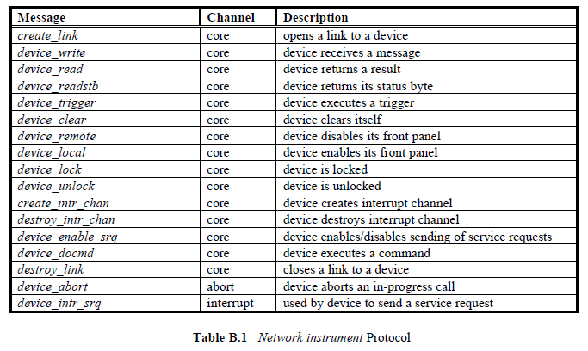

Message | Channel | Description
create_link | core | opens a link to a device
device_write | core | device receives a message
device_read | core | device returns a result
device_readstb | core | device returns its status byte
device_trigger | core | device executes a trigger
device_clear | core | device clears itself
device_remote | core | device disables its front panel
device_local | core | device enables its front panel
device_lock | core | device is locked
device_unlock | core | device is unlocked
create_intr_chan | core | device creates interrupt channel
destroy_intr_chan | core | device destroys interrupt channel
device_enable_srq | core | device enables/disables sending of service requests
device_docmd | core | device executes a command
destroy_link | core | closes a link to a device
device_abort | abort | device aborts an in-progress call
device_intr_srq | interrupt | used by device to send a service request

Table B.1 Network instrument Protocol

VXI-11.pdf

Sheet7
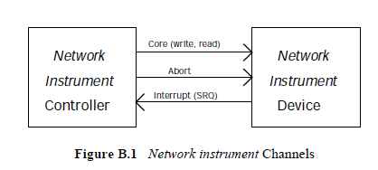

Sheet4
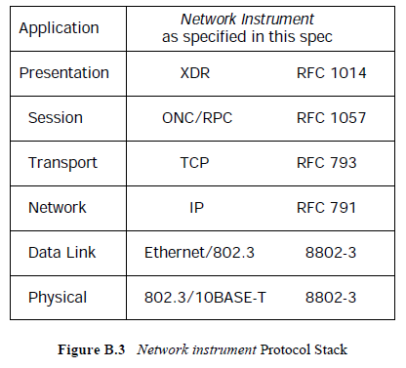

Application | Instrument | LAN | アプリケーション層 | 測定器 | デバイスファンクション
Presentation |  |  | プレゼンテーション層 | XDR |  | IEEE488,2
Session |  |  | セッション層 | RPC
Transport |  |  | トランスポート層 | TCP |  | IEEE488.1
Network |  |  | ネットワーク層 | IP
Data | Link |  | データリンク層 | Ethernet Frame
Physical |  |  | 物理層 | 10BASE-T | ドライバ及びレシーバ
Ethernet/802.3
802.3/10BASE-T

Sheet5
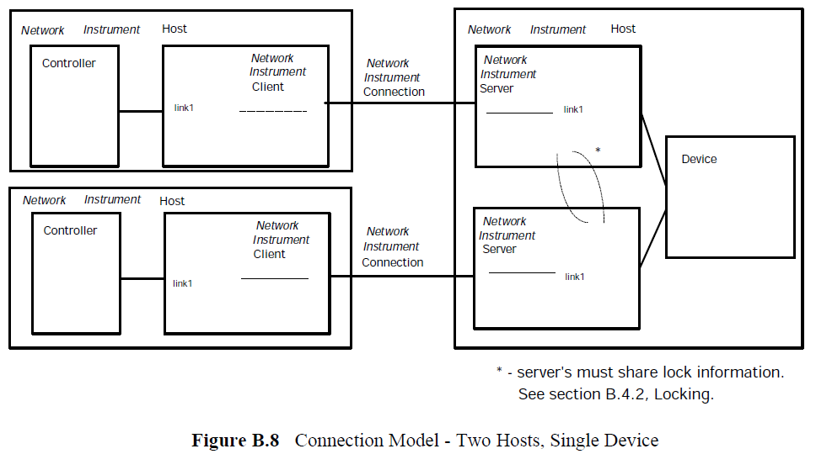

Sheet9
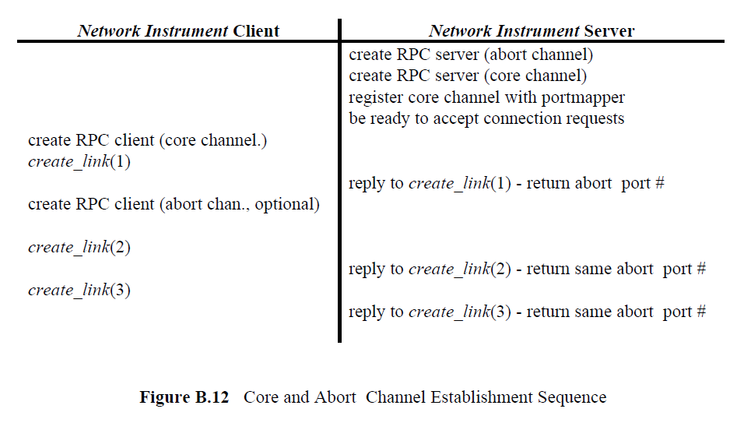

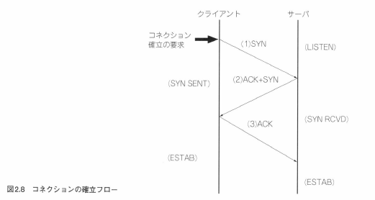

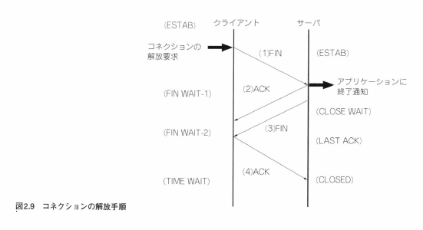

エラー番号一覧
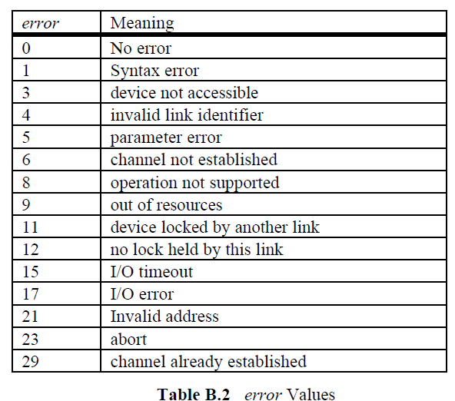
エラー番号 | 意味
0 | エラーなし
1 | 文法エラー
3 | device not accessible
4 | 不正なリンク識別子
5 | 引数エラー
6 | channel not established
8 | operation not supported
9 | out of resources
11 | device locked by another link
12 | no lock held by this link
15 | I/O timeout
17 | I/O error
21 | Invalid address
23 | 処理を中断した
29 | channel already established

